Data Prioritized
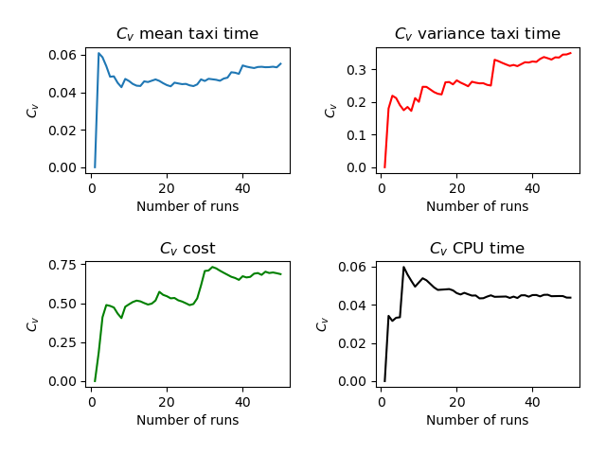
Run | Number of Aircraft | Maximum Spawn Time | Mean Taxitime | Variance Taxitime | Variance Cost | CPU Time
1 | 11 | 5 | 9.455 | 3.612 | 0.702 | 3.791
2 | 11 | 5 | 10.682 | 5.194 | 1.021 | 4.058
3 | 11 | 5 | 9.455 | 6.293 | 0.335 | 3.804
4 | 11 | 5 | 10.318 | 4.194 | 0.318 | 4.062
5 | 11 | 5 | 9.955 | 5.339 | 1.14 | 3.782
6 | 11 | 5 | 9.455 | 4.793 | 0.521 | 4.452
7 | 11 | 5 | 10 | 6.364 | 0.702 | 4.077
8 | 11 | 5 | 10.136 | 5.14 | 0.719 | 3.906
9 | 11 | 5 | 10.727 | 3.153 | 0.202 | 3.986
10 | 11 | 5 | 9.682 | 5.058 | 0.355 | 3.718
11 | 11 | 5 | 10.273 | 2.562 | 0.339 | 3.673
12 | 11 | 5 | 10.364 | 3.777 | 0.339 | 3.797
13 | 11 | 5 | 10.5 | 5.5 | 0.401 | 3.89
14 | 11 | 5 | 9.364 | 4.55 | 0.913 | 3.843
15 | 11 | 5 | 10.455 | 4.248 | 0.471 | 3.89
16 | 11 | 5 | 9.5 | 3.955 | 0.335 | 3.737
17 | 11 | 5 | 10.636 | 2.095 | 0.244 | 3.72
18 | 11 | 5 | 9.773 | 3.471 | 0.05 | 3.662
19 | 11 | 5 | 10.136 | 4.959 | 0.537 | 3.844
20 | 11 | 5 | 10.182 | 6.785 | 0.876 | 3.919
21 | 11 | 5 | 10.364 | 4.868 | 0.521 | 3.84
22 | 11 | 5 | 9.318 | 5.376 | 0.335 | 3.628
23 | 11 | 5 | 10.409 | 4.992 | 0.694 | 3.942
24 | 11 | 5 | 9.727 | 7.244 | 0.459 | 3.765
25 | 11 | 5 | 10.545 | 5.975 | 0.628 | 3.72
26 | 11 | 5 | 9.909 | 6.128 | 0.64 | 3.845
27 | 11 | 5 | 9.727 | 6.517 | 1.062 | 3.685
28 | 11 | 5 | 9.409 | 5.128 | 0.062 | 3.639
29 | 11 | 5 | 11 | 4.273 | 1.719 | 4.101
30 | 11 | 5 | 10.091 | 11.401 | 2.103 | 3.892
31 | 11 | 5 | 9.318 | 6.603 | 0.364 | 3.732
32 | 11 | 5 | 9.682 | 5.24 | 0.107 | 3.691
33 | 11 | 5 | 9.636 | 6.231 | 0.521 | 3.679
34 | 11 | 5 | 9.864 | 6.322 | 0.785 | 3.762
35 | 11 | 5 | 10.818 | 3.558 | 1.136 | 4.063
36 | 11 | 5 | 9.409 | 6.537 | 0.719 | 3.766
37 | 11 | 5 | 11.182 | 3.149 | 0.81 | 4.193
38 | 11 | 5 | 9.682 | 3.058 | 0.628 | 3.739
39 | 11 | 5 | 10.227 | 4.062 | 0.946 | 3.81
40 | 11 | 5 | 8.591 | 7.901 | 0.05 | 3.595
41 | 11 | 5 | 9.818 | 7.149 | 0.595 | 3.686
42 | 11 | 5 | 10.364 | 2.595 | 0.322 | 3.725
43 | 11 | 5 | 9.727 | 2.926 | 0.058 | 3.649
44 | 11 | 5 | 9.273 | 4.926 | 0.322 | 3.633
45 | 11 | 5 | 10.591 | 5.81 | 0.694 | 3.848
46 | 11 | 5 | 9.591 | 2.719 | 0.05 | 3.644
47 | 11 | 5 | 9.455 | 3.975 | 0.612 | 3.67
48 | 11 | 5 | 10.636 | 2.322 | 1.446 | 3.927
49 | 11 | 5 | 10.409 | 3.628 | 0.545 | 3.877
50 | 11 | 5 | 11.182 | 2.921 | 0.517 | 3.96
 | 11 | 5 | 10.02004 | 4.89152 | 0.5994 | 3.82634

